Sheet1
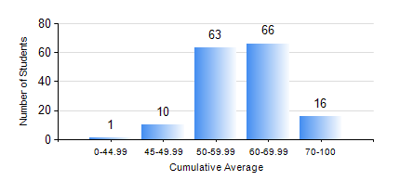
 |  |  | KWAME NKRUMAH UNIVERSITY OF SCIENCE AND TECHNOLOGY, KUMASI Department of Materials Engineering

 |  |  | BSC. MATERIALS ENG.

 |  |  | COMPREHENSIVE RECORD OF EXAMINATION RESULTS

 |  |  | RESULTS OF YEAR 1 SECOND SEMESTER, 2020/2021 ACADEMIC YEAR

 | Sn | Course Code |  | Course Name | Credit Hours | Min. Mark | Max. Mark | Avg. Mark | Std. Dev. | No. Passed | No. Trailed | No. (Df) | No. (I) | No. (I*) | No. Tagged(I,I*,Df) | Total
 | 0. |  |  |  |  |  |  | 0 | 0 | 0 | 0 | 0 | 0 | 0 | 0 | 1
 | 1. | EE 152 |  | BASIC ELECTRONICS | 2 | 44 | 93 | 65 | 10.73 | 155 | 0 | 0 | 0 | 0 | 0 | 155
 | 2. | ENGL 158 |  | COMMUNICATION SKILLS II | 2 | 41 | 76 | 59 | 7.99 | 155 | 0 | 0 | 0 | 0 | 0 | 155
 | 3. | MATH 152 |  | CALCULUS WITH ANALYSIS | 4 | 36 | 85 | 59 | 9.13 | 154 | 1 | 0 | 0 | 0 | 0 | 155
 | 4. | ME 160 |  | ENGINEERING DRAWING | 2 | 33 | 87 | 58 | 12.84 | 151 | 4 | 0 | 0 | 0 | 0 | 155
 | 5. | ME 162 |  | BASIC MECHANICS | 3 | 46 | 94 | 70 | 11.54 | 155 | 0 | 0 | 0 | 0 | 0 | 155
 | 6. | MSE 152 |  | KINETICS OF CHEMICAL REACTIONS | 2 | 29 | 81 | 50 | 9.64 | 145 | 10 | 0 | 0 | 0 | 0 | 155
 | 7. | MSE 154 |  | PRINCIPLES OF MATERIALS SCIENCE | 2 | 31 | 90 | 65 | 12.3 | 152 | 3 | 0 | 0 | 0 | 0 | 155

